Sheet1
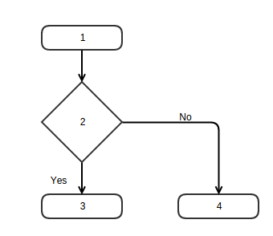

Boundary Value Analysis (Domain 6 – 12)
Password Length | Valid
5 | FALSE
7 | TRUE
9 | TRUE
11 | TRUE
13 | FALSE

Equivalence Partitioning Method (Domain 6 – 12)
Password Length | Valid
5 | FALSE
9 | TRUE
13 | FALSE
 |  | Edge (E) | 3
 |  | Node (N) | 4
 |  | Exit Points (P) | 2
 |  | Cyclomatic Complexity (V) | 1

 |  | Test cases
 |  | a | 1—2—3
 |  | b | 1—2—4

 |  | statement coverage
 |  | a | 66.666666667
 |  | b | 66.666666667

 |  | Branch Coverage
 |  | a | 100
 |  | b | 100

